Indices

 | Iraq Stock Exchange
 | Bulletin No (3)

 | ISX Trading Indices of Wednesday 7/1/2026

 | Traded Volume and OTC |  | 465,972,864 |  | Traded Value and OTC |  | 686,153,924 |  | Traders | 820

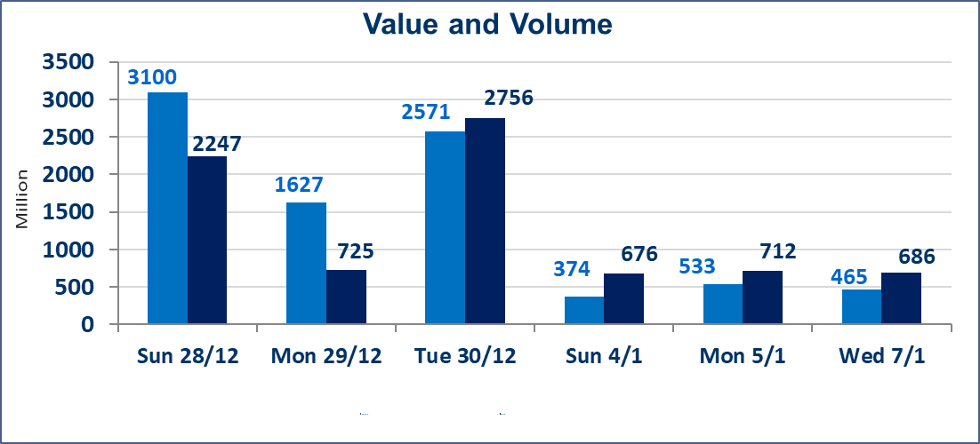
 | ISX Index 60 |  |  | 983.95 | ISX Index 15 |  |  | 1206.79
 | Previous ISX Index60 |  |  | 982.27 | Previous ISX Index15 |  |  | 1202.07
 | Change % |  |  | 0.17 | Change % |  |  | 0.39
 | Change |  |  | 1.68 | Change |  |  | 4.72

 | Listed Companies | 104 | OTC | 14 | Non Traded listed | 40 | OTC | 13
 | Traded Listed Companies | 47 | OTC | 1 | Higher Companies |  |  | 15
 | GAM Companies |  |  | 6 | Lower Companies |  |  | 10
 | Suspended Companies |  |  | 11
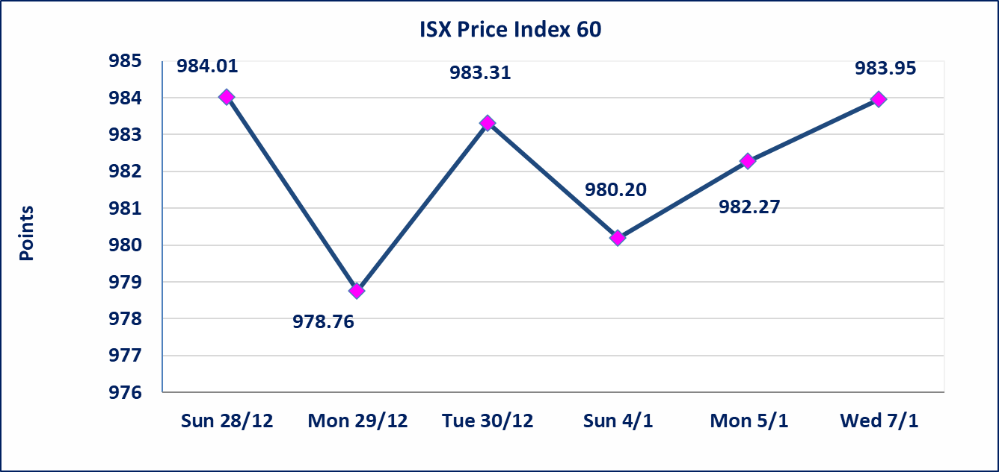
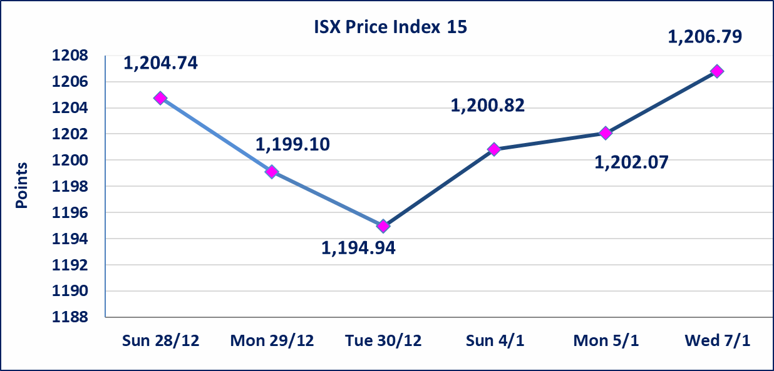

Al-Alwiya P.O . 3607 Mobile: 07711211522 - 07270094594 - 07834000034 E-mail: info-isx@isx-iq.net Web site:www.isx-iq.net

Top 5
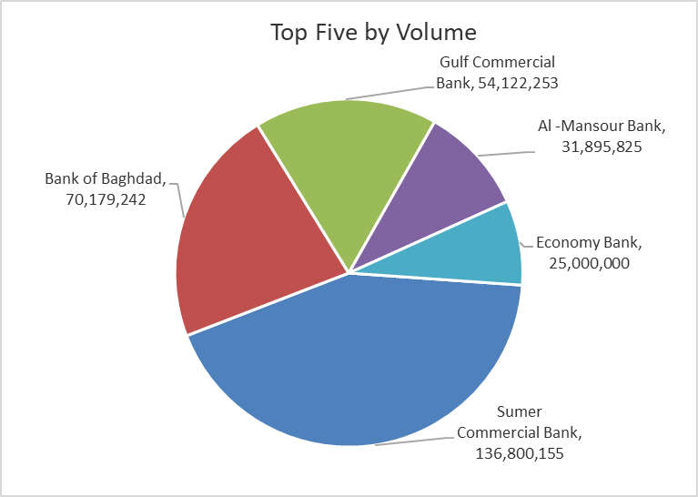
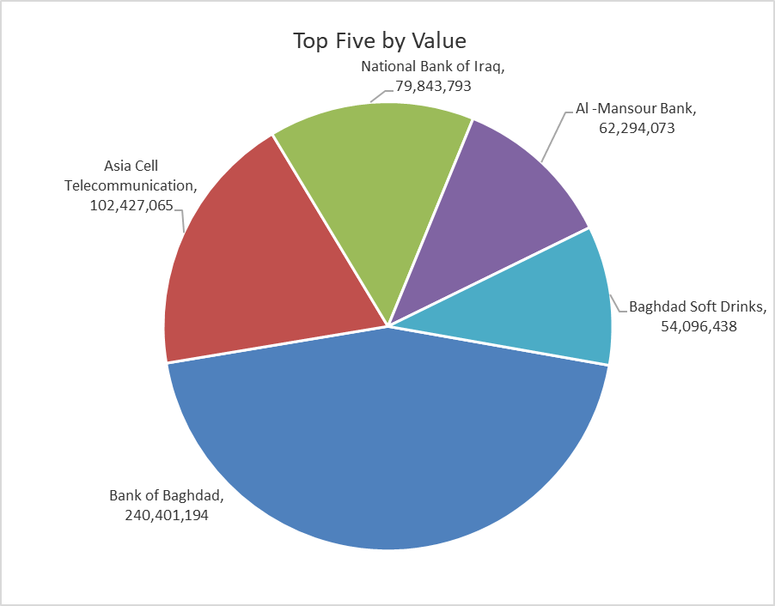
ISX top ganing and losing companies
Wednesday 7/1/2026
 | Gainers |  |  |  | Losers
 | Company Name | Closing Price | Change (%) | Traded Volume | Company Name | Closing Price | Change (%) | Traded Volume
 | Iraqi Carton Manufactories | 2.070 | 15.00 | 1,284,982 | union Bank of Iraq | 0.200 | -9.09 | 1,124,254
 | Modern for Animal Production | 0.400 | 11.11 | 70,000 | Ashour Hotel | 33.000 | -4.35 | 45,500
 | Iraq Noor Islamic Bank for Investment | 0.210 | 5.00 | 100,000 | Al-Kindi of Veterinary Vaccines | 2.400 | -4.00 | 18,096
 | Al -Khazer Construction Materials | 1.310 | 4.80 | 711,000 | Iraqi For Tufted Carpets | 17.000 | -3.41 | 180,000
 | Modern Construction Materials | 0.960 | 4.35 | 240,000 | National Chemical &Plastic | 2.000 | -1.96 | 2,004,476
 | The most active companies in term of traded volume and value

 | Traded Volume |  |  |  | Traded Value
 | Company Name | Closing Price | Change (%) | Traded Volume | Company Name | Closing Price | Change (%) | Traded Value
 | Sumer Commercial Bank | 0.150 | 0.00 | 136,800,155 | Bank of Baghdad | 3.440 | 0.29 | 240,401,194
 | Bank of Baghdad | 3.440 | 0.29 | 70,179,242 | Asia Cell Telecommunication | 13.700 | 1.86 | 102,427,065
 | Gulf Commercial Bank | 0.300 | 3.45 | 54,122,253 | National Bank of Iraq | 4.800 | 0.00 | 79,843,793
 | Al -Mansour Bank | 1.960 | 0.00 | 31,895,825 | Al -Mansour Bank | 1.960 | 0.00 | 62,294,073
 | Economy Bank | 0.230 | 0.00 | 25,000,000 | Baghdad Soft Drinks | 5.750 | -0.17 | 54,096,438

Non Iraqis

Iraq Stock Exchange
Non Iraqis' Bulletin Wednesday january 7 2026
Regular Market

Non Iraqi Trading of Regular Market (Buy)
Company Names | Code | No.of trades | Traded Shares | Trading Volume
Banks Sector
National Bank Of Iraq | BNOI | 4 | 2,535,354 | 12,169,699
Al-Mansour Bank | BMNS | 1 | 101,432 | 198,807
Total Bank sector |  | 5 | 2,636,786 | 12,368,506
Grand Total |  | 5 | 2,636,786 | 12,368,506

Non Iraqi Trading of Undisclosed Platform (BUY)
Company Names | Code | No.of trades | Traded Shares | Trading Volume
Industry Sector
Modern Construction Materials | IMCM | 1 | 90,000 | 86,400
Total Industry sector |  | 1 | 90,000 | 86,400
Grand Total |  | 1 | 90,000 | 86,400

